1. Title Page
Instacart Grocery Basket Analysis

Project Name: Instacart Grocery Basket Analysis
Date: 25 July 2025
Analyst Name: Canan Çengel Sattler
Data Sources: Instacart open-source dataset
Description: This analysis explores customer ordering behavior and purchasing trends based on Instacart transaction data.

Contents:
Population Flow
Consistency checks
Wrangling steps
Column derivations
Visualizations
Recommendations

Citation:
“The Instacart Online Grocery Shopping Dataset 2017”, Accessed from www.instacart.com/datasets/grocery-shopping-2017 via Kaggle on July 25, 2025.

Note: Instacart is a real company that’s made their data available online. However, the contents of this project brief have been fabricated for the purpose of this Achievement. CareerFoundry Data Sets: • Customers Data Set

2. Population Flow
Title page

Population flow

Exclusion flag
Condition: max_order < 1
Obervations to be removed: 1,459
Final total count of order_products_all: 32,433,030

Orders_products_combined
Orders_products_merged
Orders_products_all

Total: 32,433,030
Total: 32,434,489
Total: 32,433,030

1.) The grey boxes in the first row of the population flow represent the original data sets as they were when you downloaded them. In the Total fields you need to add the count of the rows when you imported the data set into Jupyter.
2.) The second row of boxes (coloured) represents the data sets after you manipulated them, e.g., removed missing values and duplicates. In the Total fields you need to add the count of the rows after conducting these operations. This offers a visual oveview of how the data flows throughout the data consistency checks.
3.) The third row, where also the arrows are coloured, represents the merges you performed between the datasets. In the Total fields you need to add the count of the rows in the merged datasets, so that you end up with the final dataset (in the red box). Keep in mind the final dataset should be without exclusions (based on the exclusion flag).

3. Consistency checks
 |  |  |  | Title page
Consistency checks

Dataset | Missing values | Missing values treatment | Duplicates
orders | 206.209 | Left as-is (first orders naturally have missing values) | 0
products | 4 | 4 rows removed | 0
orders_products_prior | 0 | N/A | 54,219 removed
customers | 0 | N/A | 0

4. Wrangling steps
 |  |  |  | Title page
Wrangling steps

Columns dropped | Columns renamed | Columns' type changed | Comment/Reason
Unnamed: 0 |  |  | Index column created automatically during CSV import; dropped as it's unnecessary.
 | product_name → product |  | For clarity and consistency with naming conventions.
 |  | user_id → str | Converted to string to avoid numeric formatting and allow categorical analysis.
 |  | order_hour_of_day → category | Converted to category to optimize memory and processing for groupby ops.

5. Column derivations
 |  |  |  | Title page

Column derivations and aggregations

In this tab you should add tables below that the frequences of flags/label variables that you produced after deriving them. NB: don't do this for continuous variables, only for flags.
Dataset | New column | Column/s it was derived from | Conditions
ords_prods_merge | price_range_loc | prices | ≤ 5: 'Low range'; 5–15: 'Mid range'; >15: 'High range' based on unit price of each product to categorize affordability levels.
ords_prods_merge | busiest_day | order_dow | Day with highest number of orders labeled 'Busiest day'; others = 'Not busiest day' determined by counting total orders per weekday.
ords_prods_merge | busiest_days | order_dow | Top 2 weekdays by order volume = 'Busiest days'; bottom 2 = 'Slowest days'; others = 'Regular' categorizes weekly demand pattern.
ords_prods_merge | busiest_period_of_day | order_hour_of_day | order_hour_of_day mapped to: Most (hours 10–15), Average (8–9 & 16–18), Fewest (others) reflects hourly ordering trends.
ords_prods_merged | loyalty_flag | max_order | Based on max_order: >40 = 'Loyal', 10–40 = 'Regular', ≤10 = 'New' categorizes customer retention level.
ords_prods_merged | spender_flag | Mean of prices per user | Based on mean product price per user: <10 = 'Low spender', ≥10 = 'High spender' measures typical spending behavior.
ords_prods_merged | order_freq_flag | Median of days_since_prior_order | Based on median of days_since_prior_order: >20 = 'Non-frequent', 10–20 = 'Regular', <10 = 'Frequent' segments customers by order regularity.

loyalty_flag | Count
Loyal | 34.213
Regular | 28.109
New | 15.708

order_freq_flag | Count
Non-frequent | 22.301
Regular | 37.219
Frequent | 18.51

spender_flag | Count
Low spender | 42.891
High spender | 35.139

6. Visualizations
 |  |  | Title page

Visualisations

In this tab you should include all the visualtions from Exercises 4.9 and 4.10, alongside the questions from the project brief that they answer. Include any commentary on the relationship between different variables.

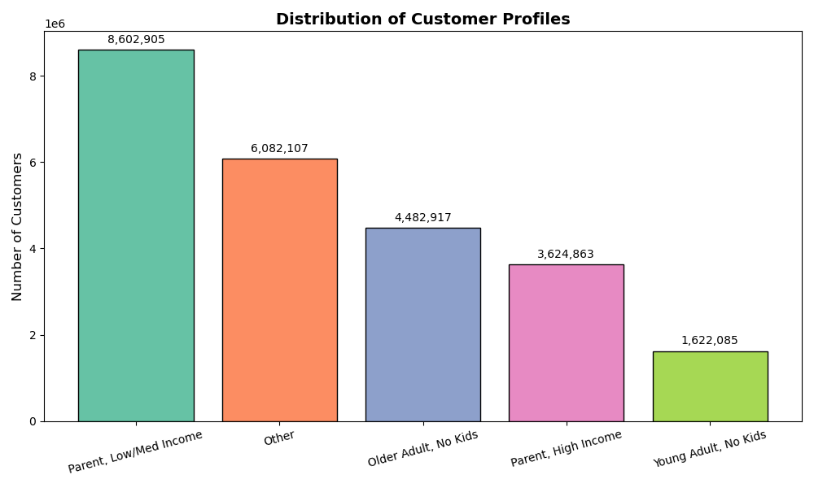
 | Question
 | What are the dominant segments in each region?
 |  | Customer Segment Distribution This bar chart highlights the overall distribution of customer segments. The "Parent, Low/Med Income" segment is clearly dominant, suggesting targeted marketing strategies for this group.

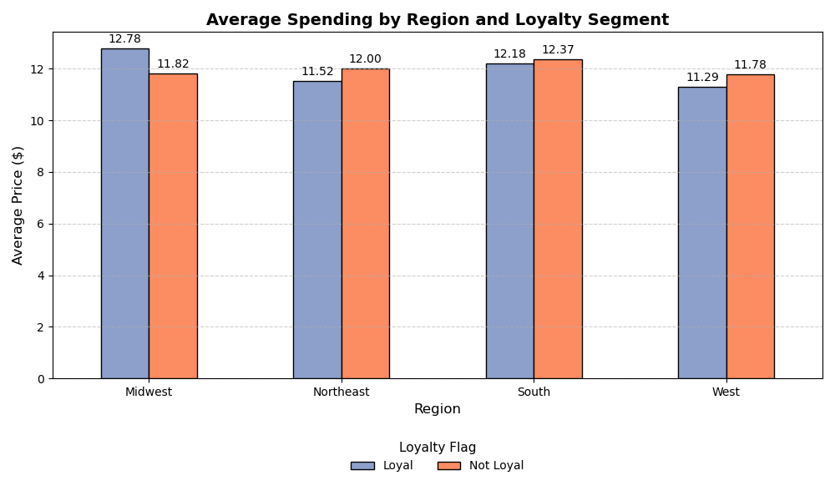
 | Question
 | Which region has the highest loyalty score?
 |  | Average Spending by Region and Loyalty This grouped bar chart compares average spending across loyalty segments and regions. Surprisingly, in some regions, non-loyal customers spend more on average than loyal ones — indicating potential for loyalty program optimization.

 | Question
 | How does average spending vary across regions?
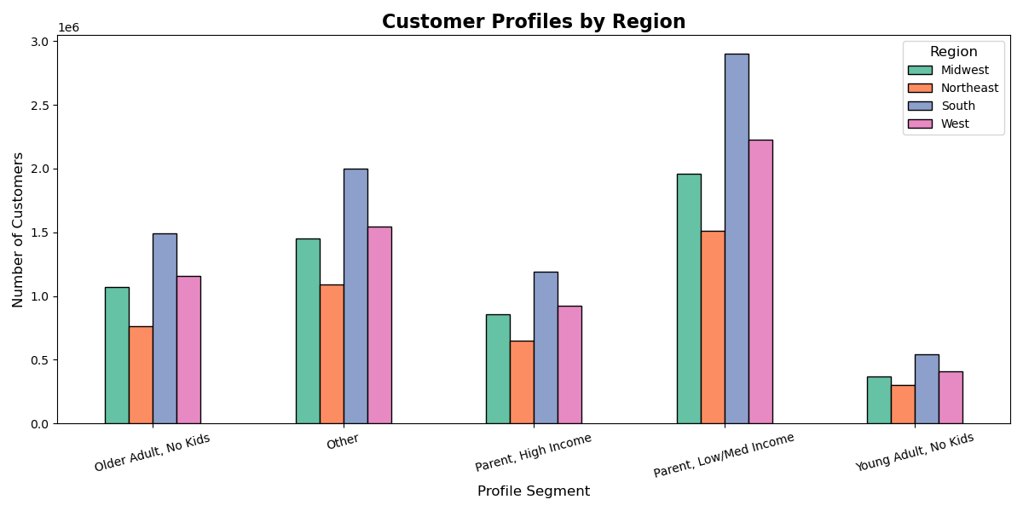 |  | Customer Profile by Region This bar chart shows the distribution of customer profiles across different regions. The "Parent, Low/Med Income" segment is most common in the South, while the "Young Adult, No Kids" group appears less frequently across all regions.

 | Question
 | How does purchase behavior differ by time of day and region?
Heatmap – Profiles by Region
This heatmap visualizes the concentration of customer profiles by region. Darker shades indicate higher counts. The South region shows a strong presence of parents with lower to medium income levels.
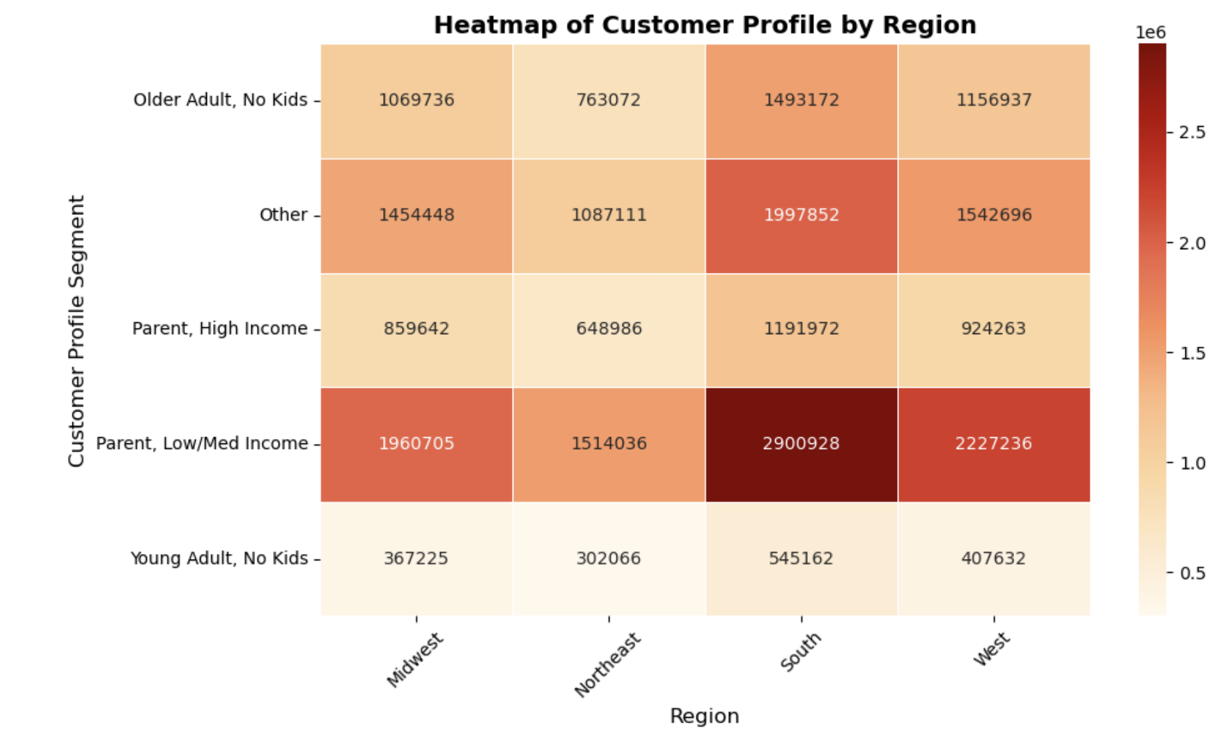

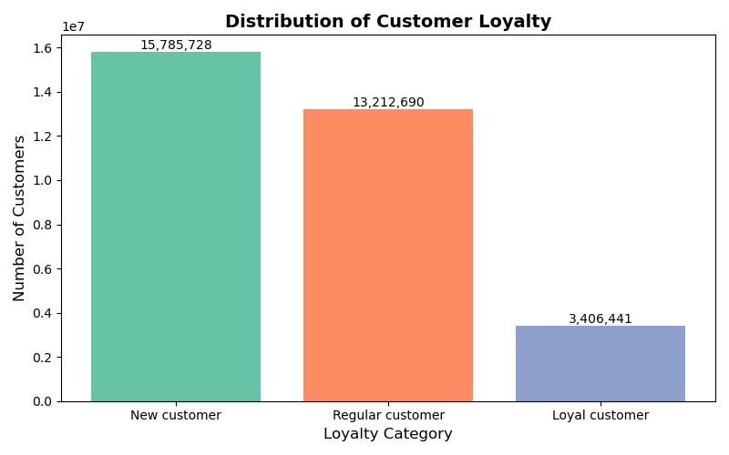
 | Question
 | What is the distribution of customers by loyalty category?
 |  | Loyalty Category Distribution Shows the distribution of customers by loyalty category (new, regular, loyal). Highlights customer retention challenges.

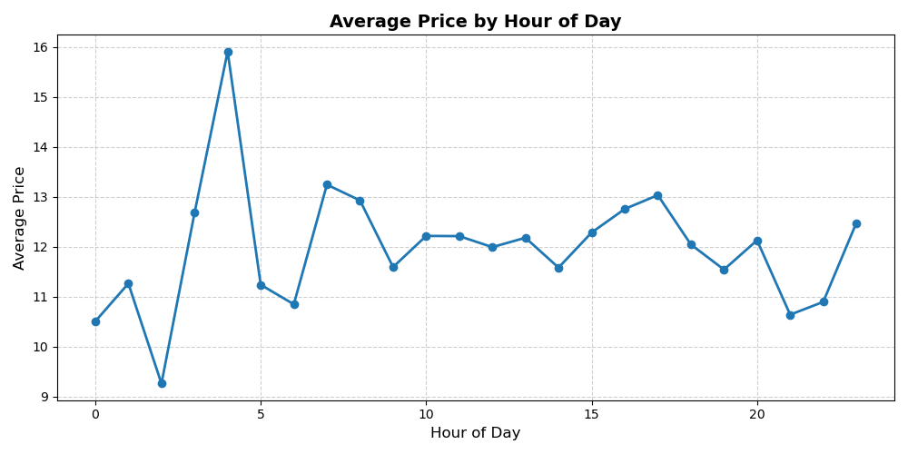
 | Question
 | During which hours are order prices the highest?
 |  | Average Order Price by Hour Depicts average order price throughout the day. Identifies premium shopping hours for potential marketing opportunities.

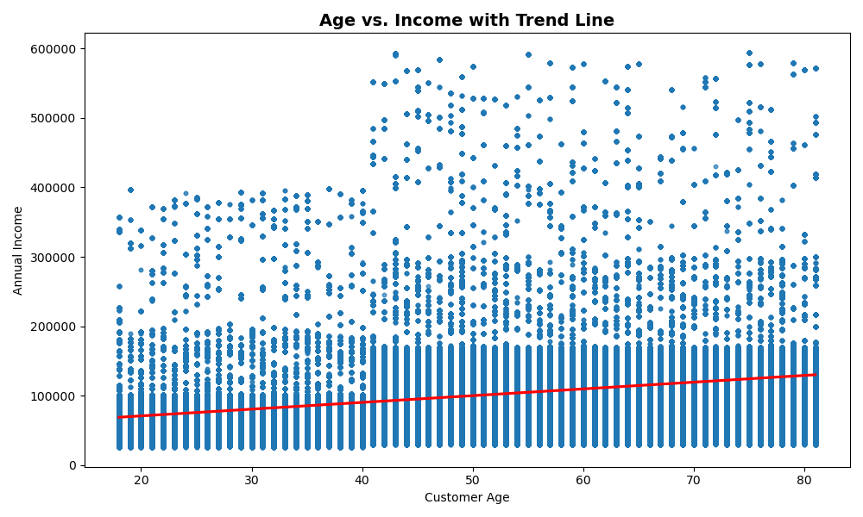
 | Question
 | Is there a correlation between age and income?
 |  | Shows the relationship between customer age and annual income, with a trend line indicating a positive correlation. Useful for identifying high-income older customer segments.

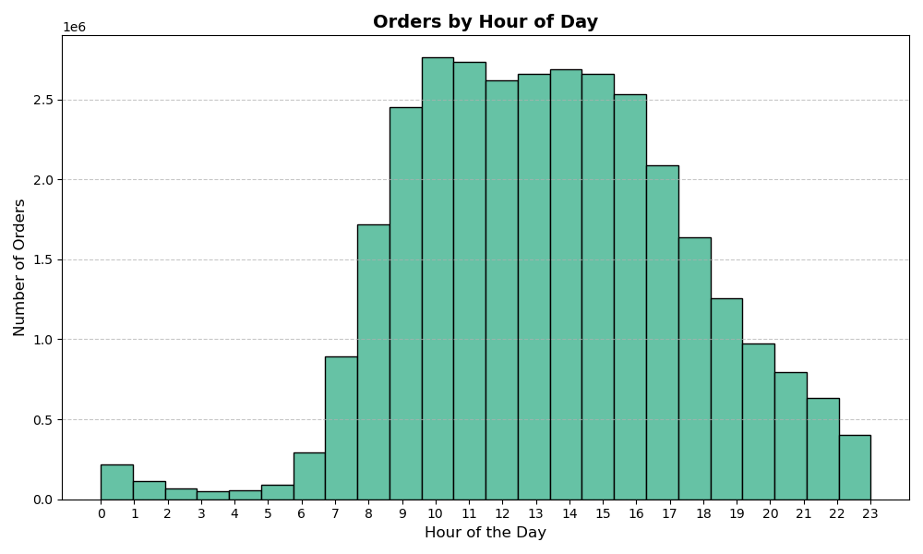
 | Question
 | When are the most popular hours to place orders?
 |  | Displays the distribution of order volume across hours of the day. Helps identify peak shopping periods for scheduling campaigns and optimizing system load.

 | Question
 | How do age and number of dependants relate?

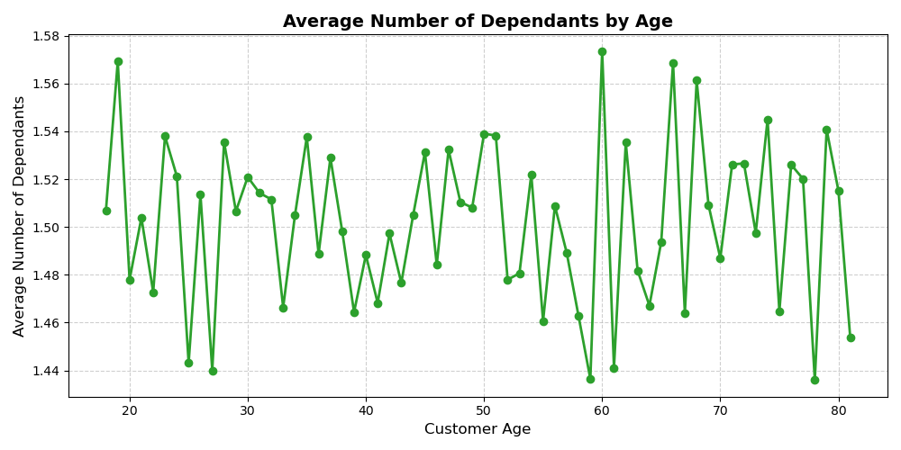
 |  | Visualizes the average number of dependants by customer age. Highlights age ranges with greater family responsibilities, informing product targeting strategies.

7. Recommendations
 |  |  | Title page

Recommendations

In this tab you should include any recommendations you would made to Instcart in terms of their marketing strategy based on the questions posed in the brief. Every key question has been covered in the Tasks of the Exercises - here you need to add an item - a visualisation or table/crosstable that is showing the answer in the data, acompanied by a comment from you. Please, list the questions below and add the answer underneath.

Question | Answer | Recommendation
Which region has the highest loyalty score? | The Midwest region has the highest loyalty score, with loyal customers spending significantly more on average ($12.78) than non-loyal ones ($11.82). This indicates strong customer retention and engagement in the Midwest. | Focus loyalty campaigns on the region with the highest loyalty score to maintain engagement, and target low-score regions for improvement.

How does average spending vary across regions? | Average spending shows slight variation across regions. The South and Midwest have the highest average spending, while the West has the lowest. These differences suggest regional spending behaviors influenced by demographic or socioeconomic factors. | Develop region-specific pricing strategies to reflect differences in average spending behavior.

What are the dominant segments in each region? | The "Parent, Low/Med Income" segment dominates across most regions, especially in the South and Midwest. This suggests a strong opportunity for regionally tailored campaigns focused on family-oriented and value-based products. | Customize product bundles and marketing per region based on dominant segment preferences.

How does purchase behavior differ by time of day and region? | The South shows the highest concentration of shoppers in the “Parent, Low/Med Income” segment. Most purchases occur during late morning to early afternoon hours (10 AM–3 PM), suggesting optimal times for targeted promotional pushes. | Schedule promotional emails or app notifications based on peak shopping hours in each region.

How do age and number of dependants relate? | Customers between ages 30 to 50 tend to have slightly higher average numbers of dependants, indicating family responsibilities. Marketing for family products and household essentials could be prioritized for this age group. | Promote family-oriented products to younger customers with more dependants.
 | 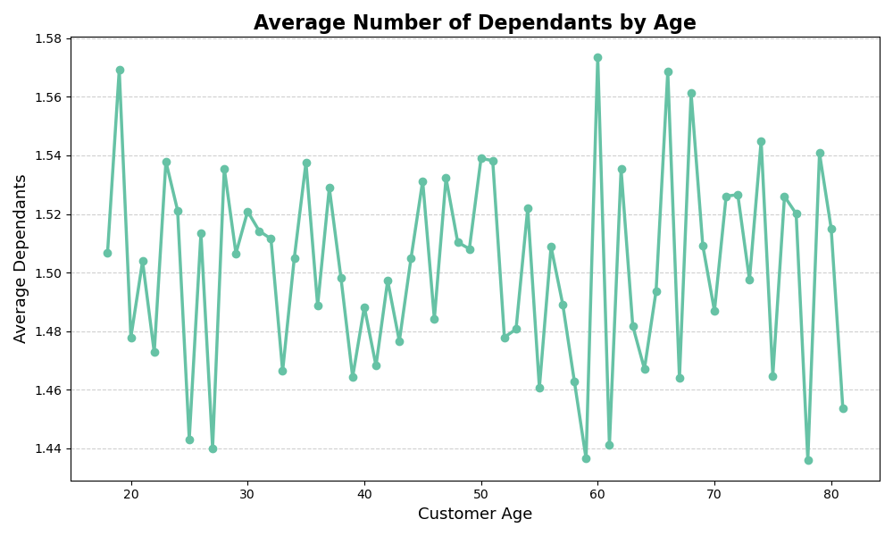
Question | Answer | Recommendation
Is there a correlation between age and income? | There is a clear positive trend between age and income. As customers age, their average income tends to increase. | Consider targeting older customers with premium or higher-value offerings based on higher income potential.

Question | Answer | Recommendation
When are the most popular hours to place orders? | The most popular times for ordering are between 10 am and 4 pm, with a clear peak around midday. As these hours also coincide with slightly higher average spending, they represent a prime window for promotions and system optimisation. | Optimize staffing and system resources during peak ordering hours to improve user experience.

Question | Answer | Recommendation
During which hours are order prices the highest? | The majority of customers are new (15.8M), followed by regular (13.2M), and loyal customers (3.4M). This indicates a strong inflow of new users but a potential retention challenge. | Order prices tend to be highest between 3–5 AM and again between 4–6 PM. These hours could reflect premium shopping behavior or low-volume, high-value transactions.

Question | Answer | Recommendation
What is the distribution of customers by loyalty category? | The majority of customers are new (15.8M), followed by regular (13.2M), and loyal customers (3.4M). This indicates a strong inflow of new users but a potential retention challenge. | Develop onboarding and retention strategies to convert new customers into loyal users through targeted incentives and engagement programs.

